General
Article | Origen | Country | Year | Methodological classification | Technological Classification | Application Domain | Research goals | Device | Sensors and Modules | Features | Software | Communication | System Architecture | Data processing | Sample size | Sample type | Benefits and results | Link
AmI Open Source System for the Intelligent Control of Residences for the Elderly | Institute for Computer Sciences, Social Informatics and Telecommunications Engineering, vol 242. Springer, Cham | Spain | 2018 | Sensing - Processing - Managing data | A case of study | Ambient Assisted Living | monitor and control smart homes and residences for elderly people in order to enhance the safety, health and comfort of the elderly people | set of sensors, set of actuators, emergency buttons, Human-Machine Interface (HMI) | Intruder detection Fire alarm Access Control Air Conditioning and Lighting Intelligent Service Smoke detectors | monitor and control smart homes and residences for elderly people in order to enhance the safety, health and comfort of the elderly people | Sensor Web Enablement (SWE), framework of the Open Geospatial Consortium (OGC), Sensor Observation Service (SOS), | LAN -Wireless communications -Touch Screen | The Central system is the core of our system, and it is able to collect and store data from the sensors and analyze it. In case its intelligence considers that an action must take place in response to a specific situation, the system will create notifications visible through the HMI, send orders to the actuators and/or launch alarms | the system receives the data produced from the sensors, stores and analyzes it. As a result of the analysis performed by the intelligence of the system, some control actions may take place. | 200 | 136 residents, 42 caregivers that work on three daily shifts and 80 rooms (66 bedrooms for elderly people and 12 regular rooms) | system as an AAL open source solution with the goal of maximizing the comfort, safety and service effectiveness for aged people in smart homes and residences | https://link.springer.com/chapter/10.1007/978-3-319-93797-7_6#Sec3
An IoT, Virtual Machines and Cloud Computing-based Framework for an Optimal Management of Healthcare Data Collected from a Smart Environment. A Case Study: RO-Smart Ageing Project | National Institute for Research and Development in Informatics | Romania | 2019 | Sensing - Processing - Managing data, remote health monitoring system based on IoT | A case of study | health | collection of health parameters, a smart environment with discreet environmental sensors to monitor daily activities and lifestyle and a cloud platform for storing and aggregating data, including the presentation of the results of advanced data analysis. | sensors, Analytics application, VM Cloud | measuring pulse, body temperature, blood oxygen level, blood pressure, ambient (door, gas, fire, etc.) motion sensors (gyroscope type, accelerometer, depth camera | allow the elderly person to continue his/her life with dignity in a familiar environment while receiving the best health surveillance, treatment and physical support | VMs with different applications running on, Web application (server) | Wireless LAN communications | A VM is the core of the virtualization and it is basically an emulated computer system using specific software and hardware. It aims to allow the users to perform other tasks than the ones restricted by the physical characteristics of a server | The use of Cloud technologies is required for the execution of advanced data analysis algorithms for patient risk assessment or predictions |  | The main purpose of the intelligent environment is to allow the elderly person to continue his/her life with dignity in a familiar environment while receiving the best health surveillance | continuous remote monitoring of his/her daily activities, health and safety. Physical condition data are transmitted, through wireless sensor networks, to a medical centre for providing real-time healthcare to patients. | http://www.revistaie.ase.ro/content/91/07%20-%20nicolau,%20alexandru,%20ianculescu.pdf
Predicting potential Alzheimer medical conditioning elderly using IOT sensors | Singapore University | singapore | 2017 | Alzheimer detection | A case of study | Predicting Potential Alzheimer Medical Condition | The objective in report is to investigate any probable relationship between elderly behavioral patterns and potential cases of Alzheimer | GPS, camera, sensors IR, sensors RFID | GPS tracking devices and video surveillance, door contact, sensor detection in living room, bedroom,bathroom,kitchen | Tableau for the detailed prediction analysis for each elderly using various visualization graphs | Microsoft SQL Server, Microsoft SQL Studio, SAS Enterprise for quick data analysis and comparisons,SQL script for the data preparation for prediction analysis variable model. machine learning algorithms | Radio Frequency Identification (RFID, IR room locators, LAN | solution is based on IoT sensors data and three patterns or variables that are useful in predicting potential Alzheimer cases. The prediction analysis model is generated based on processed data and visualization techniques | used Tableau for the detailed prediction analysis for each elderly using various visualization graphs, the study categorize each elderly into three categories of Alzheimer risk cases; abnormal, potential issue and normal. the study applied levels of problem detection and profile the individuals for the reports generation. | 20 | 20 elderly living alone in the flats equipped with five sensors with the data spread over a period of 6 months. The data is collected for every 10 seconds from each sensor fixed in twenty elderly living alone flats | potential early diagnosis to Alzheimer diseases | https://ink.library.smu.edu.sg/cgi/viewcontent.cgi?referer=https://scholar.google.es/&httpsredir=1&article=4836&context=sis_research
AN EFFICIENT IOT-BASED REMOTE HEALTH MONITORING SYSTEM | Luleå University of Technology | Sweden | 2015 | Remote health monitoirng system | Prototype | health | realize an efficient IoT-based remote health monitoring system, HTTP,MQTT and CoAP has been evaluated and compared against each other. | Raspberry Pi, home gateway, openHAB, Telia server, Wireshark | emergency button with voice connection, motion sensor, IP camera and two wall plugs, Door Sensor,Smoke sensor | understand the communication requirements of a remote health moni-toring system, specifically the bandwidth and the volume of generated data. Based on this understanding, propose an architecture that efficiently collect healthcaredata, pre-process the data and transmit it to the servers for further processing | openhab | CoAP, HTPP,MQTT | The sensors are connected wirelessly to the home gateway through Z-wave protocol. The motion sensor can detect the human movement as well as measure the temperature, relative humidity and light intensity of the surrounding environment. The wall plug can measure the power consumption, the voltage and the current. The door sensor can check if the door is open or closed | Based on these knowledge, the thesis proposed an architecture that efficiently delivers healthcare data to the servers for further processing | 3 scenarios | Defined a list of eHealth scenarios which contain different combination of sensors and devices. the study selected three scenarios which are the most likely to happen, these scenarios are combinations of sensors that can monitor the patient’s wellbeing as well as prevent accidents and mishaps | The combination of IReHMo and CoAP significantly reduced the required bandwidth as well as the volume of generated data (up to 56 percent) compared to the commercial product | https://lutpub.lut.fi/bitstream/handle/10024/113028/Thesis%2026%20Jul.pdf?sequence=2&isAllowed=y http://www.diva-portal.org/smash/get/diva2:1005647/FULLTEXT01.pdf
Construction of emotional intelligent service system for the aged based on Internet of things | Shanghai Open University, Shanghai, China | China | 2019 | Sensing - Processing - Managing data, remote health monitoring system based on IoT | A case of study | health monitoring system | analyze the emotional state and the physical data of the aged so that the early-warning and intelligent services can be provided for them. | smart watches, sensors collect the temperature, humidity, and video data from the home environment. RFID card, it collected health data such as heart rate, blood glucose, bloodpressure, blood oxygen, urine routine, body temperature, body weight, uric acid, and total cholesterol | Facial expression, emotion recognition, Speech emotion recognition, QR code,RFID | Artificial Intelligence, Database and data mining, Mobile network | The intelligent home care system is developed by Microsoft Visual Studio 2015 development tools, c# language, Microsoft SQL Server 2012, and Android mobile Studio | Sensors transmit data through WiFi | The system is composed of hardware and software, which includes data collection layer, intelligent home care service platform, and the system of application layer (e.g. hospital management information system). On the basis of considering the needs of users and referring to the previous intelligent service system, the system combines the advanced sensor technology, Internet technology, emotional computing technology, and intelligent terminal technology | The server receives data and stores it. The management center can view the data statistics anddetails through the service board, and the aged family’smember can check the health status and environmentdata of the aged through the mobile App | - | 5246 sensors | through the comprehensive data analysis, is possible to find the hidden dangers of the aged and provide early warning of abnormal conditions for them | https://journals.sagepub.com/doi/full/10.1177/1687814019833799#_i2
IOT Based Pollution Monitoring System | Mysuru Karnataka | India | 2019 | processes this data and transmits it over the application | Prototype | health monitoring system | design and implement an efficient monitoring system through which the required parameters are monitored remotely using internet and the data gathered from the sensors are stored in the cloud and to project the estimated trend on the web browser | raspberry pi, Arduino, cloud | air sensors to sense presence of harmful gases/compounds in the air (Carbon monoxide, carbon dioxide & Sulphur dioxide), sound sensors level | propose an air quality as well as sound pollution monitoring system that allows us to monitor and check live air quality as well as sound pollution in an area through IOT | Web, Arduino, raspberrry | Wireless Sensor Networks (WSN) , ZigBee router, LAN | The sensors interact with raspberry pi which processes this data and transmits it over the application | The prototype was tested to generate real-time graphical information rather than a test bed scenario | - | In this research, a real time monitoring of three gases are simulated in real environment. Gases that are monitored in this implementation are Carbon monoxide, carbon dioxide & Sulphur dioxide. In this simulation, these three gases are successfully tested in four areas. Then extended the simulated results to update in web | allows authorities to monitor air pollution in different areas and act against it. Also, authorities can keep a watch on the noise pollution near schools, hospitals and no honking areas, and if system detects air quality and noise issues it alerts authorities so they can take measures to control the issue | https://pdfs.semanticscholar.org/63d0/3abfd5ce5a65d54885bb8ff03a864442227f.pdf
Action Inferences from IoT Devices | Department of Computer Sciences,Loughborough University, UK | England | 2017 | Machine learning | A case of study | Risk Detection | focus on action derivation from smart home by analysing the relationships and their correlations. We consider fire risk detection problem as a case study to evaluate different critical aspects of the approach, including precision, scalability, performance, and effectiveness in terms of cost and complexity | Light,Radiator,Iron,Microwave,PC,Tv,Cocker,Fridge... | sensor readings for different devices | determine the risk in different scenarios | web services, statistical machine learning algorithms, Rules and data mining algorithms. | ZigBee, Wi-Fi | Different devices and systems to be managed by a single control unit. It allows automating some actions without setting a timer or making an explicit request. Machine learning to maximise home services by enabling some entities controlling automatically another entity without explicitly defining pre-request for every action | machine learning allows to determine whether a risk event must be triggered based on the current real-time reading data. | 28 | instances | allows to determine whether a risk event must be triggered based on the current real-time reading data. | https://www.informatik.uni-marburg.de/staf2017/wp-content/uploads/2016/11/staf_doct_symp_2017-3.pdf
MEDICATION REMINDER AND MONITORING USING IOT | Maharashtra | India | 2018 | MONITORING USING IOT | Prototype | MEDICATION REMINDER | The proposed system consists of an IoT enabled medication reminder system and it gives timely alerts for the patients about their medication time | Arduino Mega 2560, RTC (Real Time Clock) DS307, LCD (Liquid Crystal Display), GSM Module, Buzzer | ESP8266 Wi-Fi,RTC Module,GSM Module | This system prevents wrong dosage of the patient and also safe to the patient | Arduino Software (IDE) | GSM, llocal through wired, WIFI | values are displayed on website designed for monitoring purpose | the data is collected by the arduino board and sent to a web page to visualize. | 0 | - | This system prevents wrong dosage of the patient and also safe to the patient. It will reduce the effort of patient as well as the caretaker of the patient in remembering medicine and patient will get alert of medication along with medicine name at appropriate time. | https://pdfs.semanticscholar.org/cb92/12db98122d4e1176cb91ce531986dc1c3e35.pdf
Fall-Detection Algorithm Using 3-Axis Acceleration | department of Electrical, Electronic and Control Engineering and IITC, Hankyong National University | Republic of Korea | 2014 | identified fall-detection | A case of study | Fall Detection | Automatic fall detection usinga threshold-based method of single parameters, calculated using acceleration measured by an accelerometer | Visual Studio 2008 and fall-detection code was written in the C language. sensor node with a 3-axis accelerometer±8 g triaxial accelerometer (BMA150, Bosch). wireless communication module (CC2530, Texas Instrument). gateway to collect the information from multiple wireless sensor nodes. server to determine falls by applying the parameters from the 3-axis acceleration to the proposed fall-detection algorithm. | BMA150 Bosch, Module CC2530 Texas Instrument | Automatic fall detection using multiple parameters that are calculated using the acceleration and angular velocities mea-sured by an accelerometer and a gyroscope, respectively | algorithm using 3-axis acceleration. server to determine falls by applying the parameters from the 3-axis acceleration to the proposed fall-detection algorithm | ZigBee network | server to determine falls by applying the parameters from the 3-axis acceleration to the proposed fall-detection algorithm. The sensor was controlled by the ZigBee network processor. The sampling rate was set to 100 Hz, a bandwidth exceeding the characteristic response of human movement. | when the 3-axis sensor data is read it is possible to calculate the status of the person based on tests of an evaluated algorithm | 320 Activity of Daily Livings and 240 falls were tested | 6 healthy volunteers: four male and two female subjects whose ages ranged from 20 to 50, height from160 to 185 cm, and weight from 50 to 85 kg | The ADLs used in this study were activities that could cause high impact or abrupt changes in a person’s movement. | https://new.hindawi.com/journals/jam/2014/896030/ http://downloads.hindawi.com/journals/jam/2014/896030.pdf
Intelligent bed sensor system: Design, expermentation and results | School of Engineering and Advanced Technology, Massey University, Palmerston North, New Zealand | New Zealand | 2010 | monitoring system for the elderly. | Prototype | detects the mere presence of a person on the bed | monitor the sleeping pattern of a person, who is living all alone in a house and needs immediate medical attention in case of an emergency or when an abnormal situation arises. | Tekscan's FlexiForce Sensors, voltage inverter (MAX828), Low Pass Filter, Silicon Lab C8051F020 microcontroller, (Radio Frequency) transmitter | The system consists of four sensor units, amplified and passed through a signal conditioning circuit to reduce noise in the signal. Microcontroller, RF (Radio Frequency) transmitter, central monitoring station | To detect the position of the weight with respect to the zone on the table, the microcontroller program is made to continuously monitor the ADC inputs from the four sensors | - | RS232 | The system consists of four sensor units; the output of each bed sensor is amplified and passed through a signal conditioning circuit to reduce noise in the signal | Connecting the microcontroller to a PC using UART module (RS232). The microcontroller will pass the data pertaining to the load position on the bed to a program running on the PC which will depict the position/orientation of the person (on a simulated bed on the computer screen) in real-time mode | 0 | tests carried out in a lab | identify sleeping pattern of a person living alone. The response of the sensors can be used to report normal sleep, uncomfortable sleep; sitting on the bed at night time | https://ieeexplore.ieee.org/abstract/document/5439390
Modular IoT Platform for Real-Time Indoor Air Quality monitoring | Qatar Mobility and Innovation Center | Qatar | 2018 | monitoring system | A case of study | Air Quality Monitoring | Create modular indoor Air Quality Monitoring system using sensors nodes for many Air Quality parameters, and an IoT server | Raspberry Pi2 model B, web-serve, wireless sensor networks (WSNs) and smart mobile standards, XBee PRO radio modules. | sensors CO2, CO, SO2, NO2, O3, Cl2, ambient temperature, and relative humidity. | Each sensor node monitors the concentrations of six gases in addition to ambient | Dedicated firmware | ZigBee, WiFi, | ATmega1281 microcontroller operating at 14.74 MHz, a 128 kB Flash memory, an 8 kB SRAM, a 2 GB, Raspberry Pi2 model B | The data are collected from various locations and make it available for all people interested informed about Air Quality in their places. Additionally, it is often difficult for air conditioning managers who control ventilation inside buildings to obtain real-time indoor air quality (IAQ). | 1 | The performance of the communication using the XBee PRO radio modules is evaluated indoor in a large building at Qatar University, Doha, Qatar. | The developed platform will be used to collect IAQ data in various locations in Doha-QATAR, and over an extended period covering different seasons | https://www.mdpi.com/1424-8220/18/2/581
Sleep Monitoring Based on a Tri-Axial Accelerometer and a Pressure Sensor | Department of Computer Science and Engineering, Soonchunhyang University | Korea | 2016 | Monitoring system | A case of study | sleep quality | Monitoring system that monitors patient respiration and body movements during sleep, via a pressure sensor, in these systems, patient respiration and body movements can be monitored freely using sensors attached to the periphery of the bed | in this study does not name the types of device used | three-axis accelerometer, pressure sensor, heart rate variability, body movements | Sensing data were collected from two different sensors and then transmitted via a ZigBee wireless connection to an external assistive recording mobile device and PC platform. Sleep pose and activity are determined by sensing data obtained from a three-axis accelerometer sensor | algorithms , server | internet connection, ZigBee wireless | The multimodal sensors directly extract features from the embedded mobile device, which sends physiological data to either home servers or a remote clinical monitoring center via an internet connection to determine sleep state | In this study, the raw data measured by the proposed system were grouped into two epochs and analyzed using an automated algorithm | 10 | 10 participants were enrolled in this experimental study for a duration of 20 days. 10 graduate student volunteers, ranging in age from 20 to 30 years and including one female | can be seen that the proposed monitoring system is effective for quantifying sleep quality | https://www.mdpi.com/1424-8220/16/5/750

IoT System for Remote Health Monitoring in Elderly Adults trough a Wearable Device and Mobile Application | //School of Telematics, University of Colima; //School of Telecommunications Engineering, University of Vigo; //Department of Mathematics and Computer Science, Algoma University | Mexico, Spain, Canada | 2019 | Sensing - Processing - Manage data | Prototype | Healthy and safe lifestyle to the elderly | Monitoring the health of patients and have closer communication with their family members. | -Hexiwear Wearable -Samsung Galaxy S7 | -Heart rate -Body temperature -Blood oxygenation | -Energy-efficient -Wireless communications -Touch Screen | -Open Source Software -Android OS Nougat 7.0 -MongoDB and NoSQL -PHP/Apache and PHP/Nginx -Node.js | -Unknown | All variables collected by the sensors can be visualized in real time within mobile app through an API(WolkAbout). For the API to communicate with the patient data and app is necessary a middleware layer. | With the data provides by sensors, this system, has algorithms that analyze the sensed data and detects abnormal parameters and will show an alert that will be sent to app, family members and caregivers. | 5 | Systems usability scale (SUS) | The SUS evaluation got a score of 83.0. Also the development showed that it is factible to implement the prototype of this research with a low-cost, less than 100 $US. The evaluation was positive and was well received by the users. | https://www.ncbi.nlm.nih.gov/pmc/articles/PMC6631618/
A Smart Remote Elderly Monitoring System based on IoT Technologies | //Department of Innovation Engineering, University of Salento, Lecce, Italy; //National Institute of Telecommunications (Inatel), Brazil; //University of Split, Faculty of Electrical Engineering, Mechanical Engineering and Naval Architecture, Split, Croatia | Italy, Brazil, Croatia | 2017 | Sensing - Processing | Prototype | Positioning and motility of the elderly | This study wants a sensing IoT architecture to capture positioning and motility data for detecting behavioral changes in patients in an low-cost and low-power way. | -BLE beacons -BLE-equipped Wearable -SensorTag MPU-92509 (With ARM Cortex M3) | -3 Axis gyroscope -3 Axis accelerometer -3 Axis magnetometer -DMP (Digital Motion Processor) | -Low cost | -Unknown | -RFID -Bluetooth technology | LBB is responsible to collect data from sensors. This data is then sent to the CBB through REST API, analyzes the received data and alerting users in case of critical situations. The processed information is stored into a custom database and makes easily accessible by doctors or family members through REST API. | -Unknown | n=10 (Healthy subjects) | -Execute activities for a period of 60 seconds into a room. The subjects execute these activities without restrictions emulating the movements of patients with the SensorTag wearing in their left hand. | This architecture exploits IoT Technology to capture important information for detecting behavioral changes with low-cost and low power way. | https://ieeexplore.ieee.org/abstract/document/7993745/ | 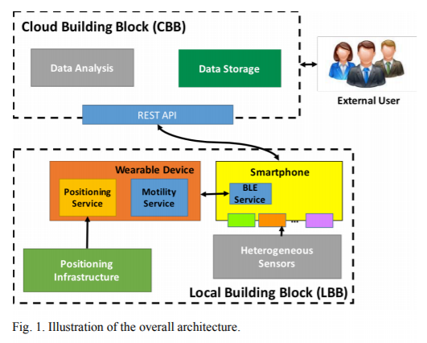
Improving life quality for the elderly through the Social Internet of Things (SIoT) | //Institute of Science and Technologies of Information, National Research Council of Italy(CNR), Pisa | Italy | 2017 | Sensing - Processing - Manage data | Prototype | Support integrated healthcare services in elderly homecare | To create a new platform for the elderly by applying technological solutions to simplify their daily activities and to improve their quality of life. Also to create a complete technological solution which effectively fulfills the general objectives of the third call of the EU - AAL programme. | -ZigBee -Bluetooth Smartwatch -KNX | -Temperature -Humidity -State battery device -Hearth rate -Other environmental sensors | -Introduction to a new paradigm: SIoT (Social Internet of Things) -They have socialization services, like a social network with other members of the service. | -Unknown | -Bluetooth technology | The SmartSMILE collect data from sensors (e.g. smartwatches or others). The collected data is stored in the database and processed using algorithms and displayed using a web interface. | By one part the communications allow data transfer between members of the community through a chat for RT communications. On the other part, the SOCIALIZE platform is the core of this service, acquiring and collecting data from sensors for analysis and presentation to medical staff. | -Unknown | -Unknown | Introduces a new concept to starting point for a new IoT vision, wherein Social Networking is able to interconnect not only humans, but thing as well. | https://ieeexplore.ieee.org/abstract/document/8016215/
Localization of Health Center Assets Through an IoT Environment (LoCATE) | //James Madison University | United States | 2017 | Sensing - Processing | Prototype | Localization of health center assets through an IoT environment | With the use of LoCATE system is possible to track assets and personnel at any health center, continuously logging a real-time location and show it through web UI or mobile app. The collected data is then analyzed to expose inefficiencies and improve the health care system. | -Raspberry Pi 3 Model B -RaLink RT3070 -External power supply (10,000mAh) | -Unknown | -Flexible and Scalable | -Ubuntu -Apache/ MySQL / PHP -Phyton script TCP socket | -802.11n Wireless NIC -Beacons | LoCATE integrates Wifi signals, embedded systems, and cloud computing platforms to implement the RTLS system. The LoCATE embedded nodes catch the location data by RSSI emitted by nearby access points. LoCATE stores the MAC addresses and RSSIs of the Access points. These addresses are then sent to a cloud platform (AWS) where the data is aggregated and processing for viewing via the web user interface. | -Unknown | 3 Experiments | -Experiment 1: Show the loss in the received signal strenght as distance between the transmitter and receiver increased -Experiment 2: RSSI vs Varying Tx Power -Experiment 3: To test the impact of walls on the signal level measured at the receiver | Using the RTLS system eliminates unnecessary hardware installation such as RFID readers. It provides a low-cost alternative to traditional real-time locating systems. LoCATE brings flexibility, scalability and an improvement in health center processes. | https://ieeexplore.ieee.org/abstract/document/7937703/ | 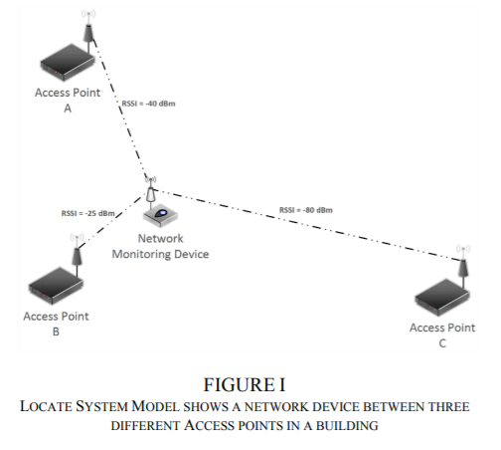 x
Architecture for IOT based Geriatric care | //School of Electronics and Communication Engineering, Reva University, Bengaluru; | Republic of India | 2017 | Sensing - Processing | Prototype | Geriatric with a high-range of falls by elderly | The main purpose of this work is aided all the sensing devices to achieve more effective fall detection. | -Various devices not specified | -ZigBee | -Unknown | -Unknown | -Wireless and bluetooth technology -LTE | Based on three main layers: 1. Perception Layer: Involved in sensing the real-time information about the elderly 2. Attention Layer: When happens the anomaly situation. This communicates to the higher layer where a decision is taken. 3. Decision Layer: Based on the data received from the lower layer, it will take a proper decision as to provide assistance after fall. It can also communicate with the medical staff. | -Unknown | -Unknown | -Unknown | This sistem provides an effective fall detection, without any false alarm. | https://ieeexplore.ieee.org/abstract/document/8250636
An IoT-aware AAL System for Elderly People | //University of Salento, Lecce, Italy | Italy | 2016 | Sensing - Processing - Ambient Assisted Living | Prototype | Healthy and safe lifestyle to the elderly | Provide a level of independence at home and improve elderly quality of life. | -Raspberry PI - Generic Bracelet Wearable Device | GPS (Outdoor localization) -Bluetooth module -BLE module (Communications BLE devices) -NFC -Wifi module -H21 Gyroscope, Inertial modules and Environmental Sensors | -Two prototypal devices were realized. One of this used for the elderly localization: Combining Odroid and Arduino with BLE, GPS and GPRS modules. The other one used for the detection of critial events, realized by using Nucleo Board with MEMS and BLE shields. | -ESB Software (Provides coordination, security and routing features.) | -3G -Wireless and bluetooth technology -GPRS | 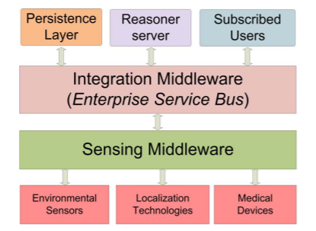 | The smart gateway collects data from all environmental sensors and the RS uses this information and the positional data to generate commands for the home devices that adapt to the indoor environment. | 1 Scenario for indoor and outdoor | Indoor scenario: Monitoring of an elderly patient suffering Alzheimer via located piBeacons in each indoor environment and when an anomaly occurs, alarm mechanisms are activated Outdoor scenario: The GPS replaces the BLE module. It transmits coordinates to the RS via GPRS and shows the position of the patient in outdoor environment | Use the AAL architecture in this prototype is able to provide: -Continuous monitoring of the health status of the patient, by crossing this information with the environmental parameters -Continuous localization in both outdoor and indoor environment | https://ieeexplore.ieee.org/abstract/document/7555929/
IoT-Based Fall Detection System with Energy Efficient Sensor Nodes | //Dept. of Information Technology, University of Turku; //Dept. of Industrial and Medical Electronics, KTH Royal Institute of Technology (Stockholm) | Finland, Sweden | 2016 | Sensing - Processing - Energy efficiency | Prototype | Efficiency in an IoT fall detection system | The general purpose of this study is the use of efficient sensors as a primary objective. They design a customized wireless sensor and compare that with others based on general purpose systems in terms of energy to know and building more efficient sensors. | -Raspberry PI v3 | -3D Accelerometer -Wireless module | -Unknown | -Ubuntu -MySQL | -UART/ SPI / I2C -Bluetooth technology | 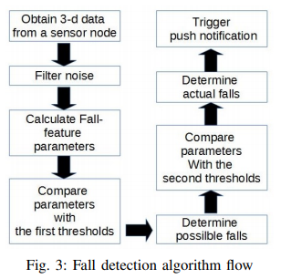 | Based on an architecture system of efficient sensor nodes. The algorithm removes noise with a filter and the output from the filter is used for calculating the threshold. When a specific parameter surpasses the threshold, it indicates a possible fall. | 2 of 100, 200 and 400 samples/s | -(Energy consumption when collecting 3D accelerometer data with different sampling rates) -(Energy consumption of the sensor node when collecting 100, 200, 400 samples/s 3D accelerometer data via 1Mbps SPI and sending the data to a gateway via Bluetooth classic configured with 230400bps) | With the practical results, the developed sensor is more energy efficient than others based on general purpose with same features. When using an 1100 mAh battery, the sensor can work for up to 35 hours. | https://ieeexplore.ieee.org/abstract/document/7792890/
Intuitive IoT-based H2U Healthcare System for Elderly People | //Department of Electrical Engineering, National Taipei University of Technology; //Dept. of Computer Science and Information Engineering, National Taipei University; //Department of Electrical Engineering, Tamkang University | Taiwan | 2016 | Sensing - Processing - Manage data | A case of study | Healthcare services for the elderly citizens | To validate the efficiency of integrating differents technologies for recording the daily activities of patients through IoT devices. | -Unknown | -Unknown | -Efficiency and improvement of the healthcare IoT devices | -MCDM (That is a hierarchy structure for decision-making problems to determine and predict the diseases of elderly people.) | -Wireless technology | Data obtained by sensors are stored in mobile apps and transmitted to the central database. When it occurs an emergency the system send alarm to the doctor or caregiver. These collected data stored in the patient database are used for future references or study new precautions. | MCDM defines the problem of multiple symptoms and determines the kind of knowledge of the patient. Combining multiple inputs makes a set of pairwise comparisons matrix of diverse disease and symptoms. | 6 | -N=6 Comparisions of diseases on a nxn matrix. | This sistem can provide early treatment and detect danger signs to prevent the need for hospitalization. The interaction is quiet cost-effective and ensures security communications. | https://ieeexplore.ieee.org/abstract/document/7479018/ | 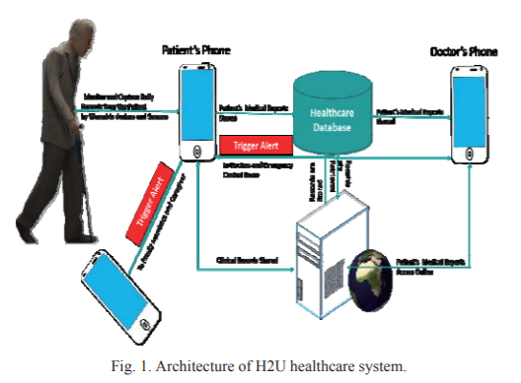
Secure End-to-End Communication for Constrained Devices in IoT-enabled Ambient Assisted Living Systems | //Center for Wireless Communications, University of Oulu; //Vrije Universiteit Brussel, INDI, 1000 Brussels; //Helsinki Institute for IT (HIIT) and Department of Computer Science and Engineering, Aalto University, Finland | Finland, Belgium | 2015 | Sensing - Processing - Security | A case of study | User security and privacy in AAL systems | Keeping user security and privacy in AAL systems, to ensure secure communications between the devices and servers interested in accessing the critical data of patients. | -Unknown | -Unknown | -Privacy and security | -Unknown | -E2E end-to-end -IKEv2 -HIP-DEX | The remote host initiates a secure E2E communication with the sensor. Both parts, need authentication with a secret key for encrypting data transmissions. How the sensor is a resource-constrained device, delegate in other closest powerful devices E2E connection. This devices act like a proxies and they executing expensive cryptographic operations. | -Unknown | n=5 (proxies) | -Energy consumption to encryption/decryption by the algorithm at the sensor's side. -Energy consumption for communications | The energy consumption of the protocol shows promising results for real world applications. | https://ieeexplore.ieee.org/abstract/document/7389141/
Solving problems of geriatric care in the Republic of Kazakhstan based on new ICT trends | //ITU, Kazakhstan; //KRMU, Kazakhstan; //KNMU, Kazakhstan, Institute of Gerontology of NAMS of the Ukraine | Kazakhstan, Ukraine | 2015 | Sensing - Processing | A case of study | Improve geriatrics care of the populationin the Republic of Kazakhstan | Reduce the costs and improve geriatric care quality introducing moderns ICT's on the systems geriatric care. | -Unknown | -Unknown | -Unknown | -Unknown | -Machine-to-Machine (M2M) | Combining wireless sensor network, M2M and other technologies provide a high level of reliability and small delays in remote monitoring and data transfers. With IA algorithms there are resolved such problems as diagnostics and recommendations. | -Unknown | -Unknown | -Unknown | This project will bring a improvement of the quality of medical services and slowdown in growth of their costs. The system will contribute to increase of the state healthcare spending for older persons (70 %). | https://www.researchgate.net/profile/Ravil_Muhamedyev2/publication/320550783_Solving_problems_of_geriatric_care_in_the_Republic_of_Kazakhstan_based_on_new_ICT_trends/links/59eb8bba0f7e9bfdeb7045ca/Solving-problems-of-geriatric-care-in-the-Republic-of-Kazakhstan-based-on-new-ICT-trends.pdf | 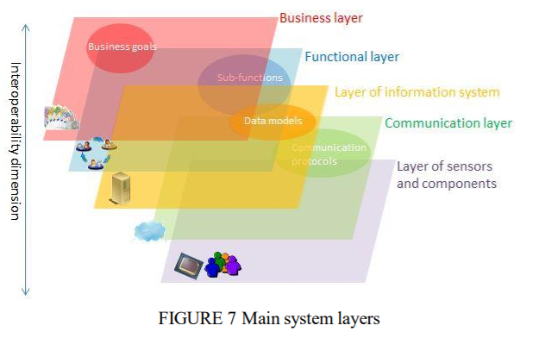
An Implementation of IoT for Healthcare | //Department of Electronics and Communication Engineering; //National Institute of Technology, Warangal | Republic of India | 2015 | Sensing - Processing | Prototype | In a hospital healthcare with IoT devices for a minimise the power consumption | To make use of the utilization of EHRs (Electronic Health Records) but with focusing on a simple EHR (EEHR). This new approach provides the web-based connectivity among various healthcare centers, simplifying tasks of mainte-Unknownce and sharing of data. | -Intel Galileo Generation 2 -Arduino IDE | -LM35 Temperature sensor -XBee S2 -XBee Adapter | -Intel Galileo has 256 MB RAM and it supports 10/100 MB Ethernet | -Linux software stack | -GPRS -Wireless technology | Sensors are connected to the XBee modules and are transmitted to the gateway every 5 seconds through UART. Intel Galileo acts as gateway for the over all healthcare system. This gateway is used to gather, analyse, store and communicate the medical data to the cloud over a secure connection. | All sensors collect the data and those up the data in the cloud for further analysis. A physician can access data from anywhere using any device with internet-enabled. | -Unknown | -Unknown | This system eliminates the need for a professional to go each X times to check the status of the patients. | https://ieeexplore.ieee.org/abstract/document/7488451/
Wireless ARM based Automated System for Geriatrics | //Dept. of ECE, Jyothy Institute of Technology, Bengaluru; | Republic of India | 2015 | Sensing - Processing | Prototype | Geriatrics who are catered in a cost-effective, reliable and simple manner | In the automation in the health care systems, there is a percentage of risks due to the data sensible and monitoring the optimum of the patients. In this work, they try to eliminate them and make the product more reliable. | -OMAP 5 (Texas Instruments) | -Environment sensors and others | -ARM Cortex A15 | -Eclipse and ADT (Plugin for Eclipe) -Android BSP | -Wireless and bluetooth technology | The communications it's through a network of Bluetooth modules from an Android device. These signals received drives a microprocessor. The devices are identified using their MAC addresses. | -Unknown | -Unknown | -Unknown | The limitations of Bluetooth devices is their range constraint. Thus, they have build a network of Bluetooth devices, thereby providing to control a wide range of appliances remotely. | https://pdfs.semanticscholar.org/ff9a/dbc49932822f19acf5d57a63caaa0aa214ac.pdf | 